Hiearchy View
CLASS: LANDING
evel floor or platform constructed at a location where the direction of stairs changes |  | 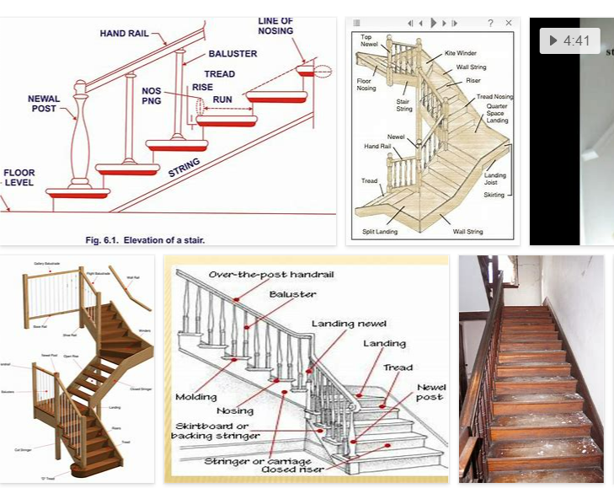
REMOVE | N

PROBLEM_DESC | CAUSE_DESC | REMEDY_DESC
BROKEN/DAMAGED
LEAKING
LIGHTING
OTHER PROBLEM
OVERHEATING
PESTS
POWER-ELEC
SMELL
TEMP-CTRL
VIBRATION
Grand Total

